Introduction
MP Rotator Savings Calculator
Introduction: The MP Rotator is an excellent choice instead of, or in place of, traditional spray heads. This calculator uses information you provide about your project, and some assumptions concerning irrigation practices to estimate savings that can be seen when using MP Rotators.
Calculator Use: You may enter a project name and preparer name at the top of the sheet, for identification purposes.
Step 1: Choose your region based on the table found in the Solar Sync Manual. A copy of the page from the manual is available in this workbook, and can be accessed by selecting the tab at the bottom of the workbook, or by following the link on the worksheet.
Step 2: Check the boxes for each of the months that an irrigation controller would typically be used at the project location.
Step 3: Enter the approximate square footage of turfgrass on the project that is currently watered by spray heads, or that could be watered by MP Rotators.
Step 4: Choose the operating pressure for the project’s spray heads, and for the MP Rotators. If it is an existing system, you may use the actual value for the sprays and either the same pressure for the MP Rotators or a new pressure if any regulation will be used.
Step 5: Check the boxes for each of the spray nozzles that are on an existing project, or that could be used to cover the landscape area in a new project. Be sure to check the box for the nozzle series used as well. Enter the quantity of each nozzle in the white cells next to each nozzle names. The calculator uses this information to estimate the potential water savings, and to display the numbers of each MP Rotator model that would be needed to water the area being analyzed.
Steps 6 & 7: Consult the customer’s water bill to find out their water billing units (either in Hundred Cubic Feet—CCF, or in 1000 gallon increments), and the rate per each unit.

Solar Sync Region Table
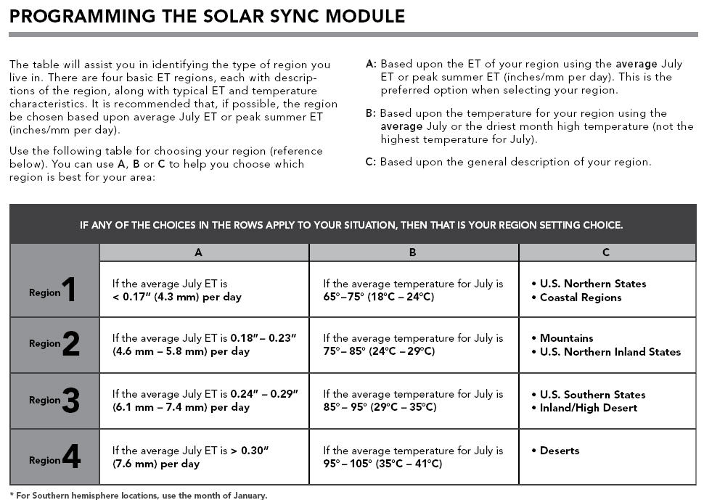
Return to the Calculator

